Sheet1
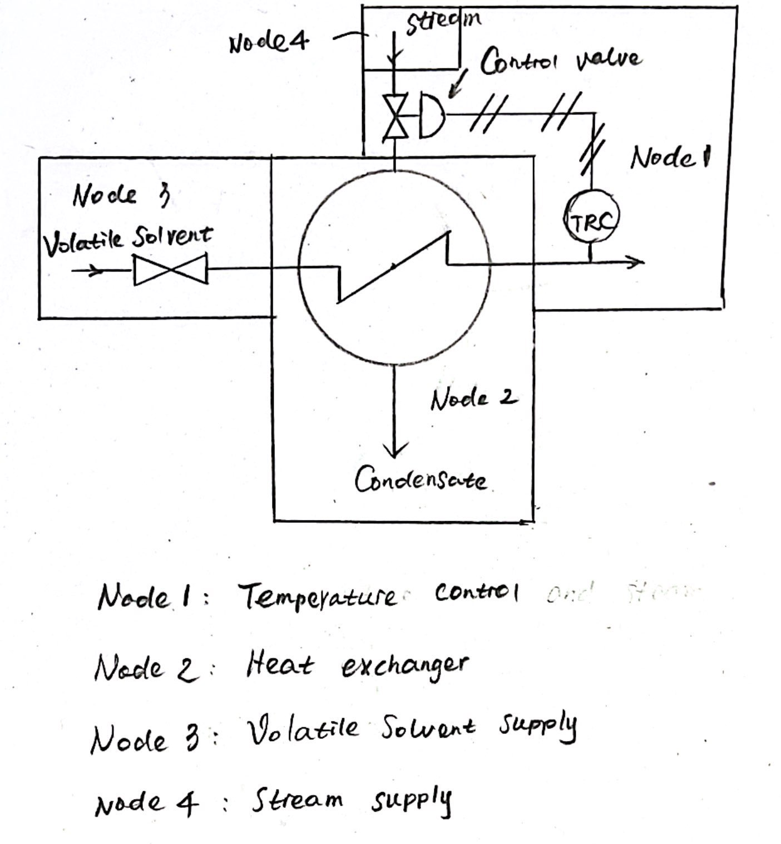
NO. | Node Item | Parameter | Guide word | Deviation
1 | Stream Supply | Flow | No, More, Less | No flow, More flow, Less flow
2 |  | Pressure | Reverse, More, Less | Reverse Pressure, More pressure, Less pressure
3 |  | Temperature | Higher, Lower | Higher temperature, Lower temperature
4 |  | Speed | Higher, Lower, Reverse | Higher speed, Lower speed, Reverse speed
5 | Temperature Control | Control | No, Reverse | No control, Reverse control
6 | Heat exchanger | Pressure | Reverse, More, Less | Reverse pressure, More pressure, Less pressure
7 |  | Temperature | Higher, Lower | Higher temperature, Lower temperature
8 |  | Mixing | More, Less, None | More mixing, Less mixing, None mixing
9 | Volatile Solvent Supply | Flow | No, More, Less | No flow, More flow, Less flow
10 |  | Pressure | Reverse, More, Less | Reverse Pressure, More pressure, Less pressure
11 |  | Temperature | Higher, Lower | Higher temperature, Lower temperature
12 |  | Speed | Higher, Lower, Reverse | Higher speed, Lower speed, Reverse speed
13 |  | Control | No, Reverse | No control, Reverse control
14 |  | Start/stop | Early, late | Early start/stop, Late start/stop
15 |  | Maintain | Reverse, Part of | Reverse maintain, Part of maintain

